Test Case
Test Scenario ID# | Test Case ID# | Test Case | Test Case Description | Testable Identifier | Importance | Pre/Initial Conditions | Input Data | Test Steps | Expected Result |  | Cycle 1
 |  |  |  |  |  |  |  |  |  | Test Environment | Test Result | Actual Results | #Bug ID | Test Result Comments
TS001 | TC001 | Check System behaviour when valid creds are provided. | Test Type: Positive Test Case Description: Check if a user can register with valid credentials Given: A valid first name, last name, phone number, email and password for the web application When: User enters the valid credentials Then: The user should be able to register in to the web application and receive a verification email from the system. | Functionality | High | 1. Access to a web-browser 2. Ensure the website hosted in UAT | First name:Thomas Last name:PJ Phone number:226 899 XXXX Email adress:@#$#%$^$@@#@gmail.com Password:RandomPass12123 | 1. Go to any web browser 2. Launch the website with the given URL link 3. Click Open Account Drawer 4. Create an account 5. Input test Data 6. Check if promobox checkbox is working or not 7. Check if captcha is working | Account is created and re-directed to home page. | UAT | Pass | As expected - Account verification mail is pushed. | NA | Launch Successful
TS001 | TC002 | Check System behaviour when invalid creds are provided. | Test Type: Negative Test Case Description: Check if a user can register with invalid credentials Given: An Invalid first name,last name,phone number,email and password for the web application When: User enters the invalid credentials Then: The system should display an error message on top of the login form. | Error Handling | High | 1. Access to a web-browser 2.TC001 is pass 3. Ensure the website hosted in UAT | First name: rockthepiper Last name:@#@$ Phone number:+!23 4545 7543 Email adress:gajib27624@kernuo.com Password:1232e532 | 1. Go to any web browser 2. Launch the website with the given URL link 3. Click Open Account Drawer 4. Create an account 5. Input test Data 6. Check if promobox checkbox is working or not 7. Check if captcha is working | 1. User is prompted to follow password requirments 2. System prompts user to try and register again. | UAT | Pass | 1. As expcted user is prompted to enter correct password 2. As expected user is prompted to retry the process again | NA | Test Successful
TS001 | TC003 | Check System behaviour when blank & wrong formated creds are provided. | Test Type: Negative Test Case Description: Check if a user can register with blank credentials Given: a blank first name and or last name, invalid phone number format,email and password for the web application When: User enters blank and or incomplete credentials Then: The system should display an error message on the login form. | Error Handling | High | 1. Access to a web-browser 2.TC001 is pass 3. Ensure the website hosted in UAT | First name:Sam the Sailor Last name: Phone number:8544 Email adress:@kernuo.com Password:1232e | 1. Go to any web browser 2. Launch the website with the given URL link 3. Click Open Account Drawer 4. Create an account 5. Input test Data 6. Check if promobox checkbox is working or not 7. Check if captcha is working | 1. System prompts user to input a last name 2. System prompts user to input valid email 3.System prompts user to input valid password 4. System prompts user to try and register again. | UAT | Pass | 1. As expcted user is prompted to enter correct details 2. As expected user is prompted to retry the process again | NA | Test Successful
TS001 | TC004 | Check System behaviour when creds with low char length are provided. | Test Type: Negative Test Case Description: Check if a user can register with first name and last name of low char length. Given: A first name and or last name, valid phone number format,email and password for the web application When: User invalid credentials Then: The system should display an error message on the login form. | Error Handling | Medium | 1. Access to a web-browser 2.TC001 is pass 3. Ensure the website hosted in UAT | { "signup_given_name": "S", "signup_family_name": "n", "phone_daytime": "3064245909", "signup_email_opt_in": "" } Email:gajib27624@kernuo.com Password:1232e53678bnk#W" | 1. Go to any web browser 2. Launch the website with the given URL link 3. Click Open Account Drawer 4. Create an account 5. Input test Data 6. Check if promobox checkbox is working or not 7. Check if captcha is working 8. Click Create an Account Button | 1. System prompts user to try and register again. | UAT | Pass | As expected - User is prompted to register again, Req is not sent to the server, validation is success. | NA | Test Successful
TS002 | TC005 | Check if the system is accepting the valid login creds | Test Type: Positive Test Case Description: Check if a user can login with his/her valid creds Given: A valid email and password for the web application When: Userinputs valid credentials Then: The system should allow the login. | Functionality | High | 1. Access to a web-browser 2.User has an account 3. Ensure the website hosted in UAT 4. Ensure user is not logged in another session | Email : pjthomas155@gmail.com Password: RandomCheck12123 | 1. Go to any web browser 2. Launch the website with the given URL link 3. Click on sign in /Open Account Drawer 4. Click on sign in 5. Input test Data 6. Validate Captcha 7. Click SignIn | 1.System Re-directs to homepage with user logged in. | UAT | Pass | User is logged In | NA | Test Successful
TS002 | TC006 | Check if the system is accepting the invalid login creds | Test Type: Negative Test Case Description: Check if a user can login with invalid creds Given: An invalid email and password for the web application When: Userinputs in-valid credentials Then: The system should deny the login. | Functionality | High | 1. Access to a web-browser 2.User has an account 3. Ensure the website hosted in UAT 4. Ensure user is not logged in another session | Email :gajib27624@kernuo.com Password: SaARBEF | 1. Go to any web browser 2. Launch the website with the given URL link 3. Click on sign in /Open Account Drawer 4. Click on sign in 5. Input test Data 6. Validate Captcha 7. Click SignIn | 1. System flags error. | UAT | Pass | User is prompted to check creds | NA | Test Successful
TS002 | TC007 | Check if system follows security practices | Test Type: Negative Test Case Description: Check if a user can Perform SQL injection Given: An expresssion like 105 OR 1=1 in the user filed with a valid password When: Userinputs SQL expressions to be parsed Then: The system should deny the login. | Miscellaneous | High | 1. Access to a web-browser 2.User has an account 3. Ensure the website hosted in UAT 4. Ensure user is not logged in another session | Email:105 OR 1=1 Password :RandomCheck12123 | 1. Go to any web browser 2. Launch the website with the given URL link 3. Click on sign in /Open Account Drawer 4. Click on sign in 5. Input test Data 6. Validate Captcha 7. Click SignIn | 1. System flags error. | UAT | Pass | User is prompted to check creds and try again | NA | Test Successful
TS003 | TC008 | Check if system allows users to search for books | Test Type: Positive Test Case Description: Check if a user can search for books Given: A book name like Crime and Punishement When: Userinputs a book name with out without spelling mistake Then: The system should show the books and related outputs. | Functionality | High | 1. Access to a web-browser 2.User has an account 3. Ensure the website hosted in UAT 4. Ensure user is not logged in another session | Crime and punishement Crime and Pusninemertn crme and punishement | 1. Go to any web browser 2. Launch the website with the given URL link 3. Click on sign in /Open Account Drawer 4. Click on sign in 5. Input test Data in the search bar | 1. System shows the book 2. System shows suggetions 3. System is able to handle spelling mistakes | UAT | Fail | 1. System shows the book 2. System shows suggetions 3. System is not able to handle spelling mistakes | BG001 | Test Failed-System is able to search the catlouge is the spelling is correct, if the spelling is incorrect then the system fails to fetch the book. It fails particularly if the mistake is in the first name of the book.
TS003 | TC009 | Check if system follows security practices | Test Type: Negative Test Case Description: Check if a user can Perform SQL injection Given: An expresssion like 105 OR 1=1 / a SQL statement in the text box filed When: Userinputs SQL expressions to be parsed Then: The system should deny the Req | Miscellaneous | High | 1. Access to a web-browser 2.User has an account 3. Ensure the website hosted in UAT 4. Ensure user is not logged in another session | 105 OR 1=1 SELECT name FROM syscolumns WHERE id =(SELECT id FROM sysobjects WHERE name = 'tablenameforcolumnnames') | 1. Go to any web browser 2. Launch the website with the given URL link 3. Click on sign in /Open Account Drawer 4. Click on sign in 5. Input test Data in the search bar | 1. System flags the secutiy concern, redirects to exception page. | UAT | Pass | As Expected the user is re-directed to exception page | NA | Test Pass
TS003 | TC010 | Check if system is able to adjust to UI requirments | Test Type: Positive Test Case Description: Check if a user change the resolution of the window and still the system can render the page neat. Given: User searches for books in split screen. When: User inputs search keywords Then: The system should display properly | UI Usability | Low | 1. Access to a web-browser 2.User has an account 3. Ensure the website hosted in UAT 4. Ensure user is not logged in another session | Crime and punishement | 1. Go to any web browser 2. Launch the website with the given URL link 3. Click on sign in /Open Account Drawer 4. Click on sign in 5. Input test Data in the search bar 6. Adjust the window size | 1. System is able to handle the size change. | UAT | Pass | As Expected | NA | Test Pass
TS004 | TC011 | Check if user is able to add a book to the cart | Test Type: Positive Test Case Description: Check if user is able to add a book to the cart Given: User Adds a book to the cart When: User adds a book to the cart with adequate quanity Then: The system should add the book to the cart. | Functionality | High | 1. Access to a web-browser 2.User has an account 3. Ensure the website hosted in UAT 4. Ensure user is not logged in another session | Meditations | 1. Go to any web browser 2. Launch the website with the given URL link 3. Click on sign in /Open Account Drawer 4. Click on sign in 5. Input test Data in the search bar 6. Select paperback/hardcover/Kobo eBook 7. Select shiping option(ship to me, buy now and pickup, find it in store) 8. Select Quanity(from 1 to upto 99 books) 9. Select Continoue Shopping 10. Check ig bag symbol is upldated with cart quantity | 1. System is able to add items to the cart | UAT | Pass | As expected book is added to card | NA | Test Pass
TS004 | TC012 | Check if user is able to addmore than 99 books to the cart | Test Type: Negative Test Case Description: Check if user is able to add more than 99 books to the cart Given: User Adds a book to the cart When: User adds a book to the cart with adequate quanity Then: The system should not add the book to the cart. | Error Handling | Low | 1. Access to a web-browser 2.User has an account 3. Ensure the website hosted in UAT 4. Ensure user is not logged in another session 5. There are 99 books in cart already | Meditations | 1. Go to any web browser 2. Launch the website with the given URL link 3. Click on sign in /Open Account Drawer 4. Click on sign in 5. Input test Data in the search bar 6. Select paperback/hardcover/Kobo eBook 7. Select shiping option(ship to me, buy now and pickup, find it in store) 8. Select Quanity(add anything more than 1) 9. Select Continoue Shopping 10. Check ig bag symbol is upldated with cart quantity | 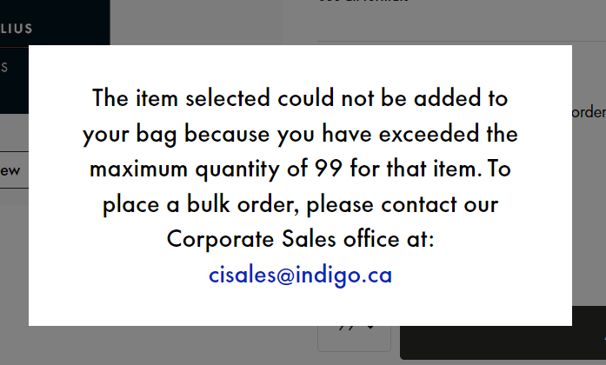 1. System should not allow more than 99 items in cart. | UAT | Pass | As expcted system dosen't allow the purchase of the same book more than 99 In cart quantity. The system does allow it if the orders are for different types such as hardcopy/paperback/ebook | NA | Test Pass
TS005 | TC013 | Check if a user is able to check out their purchase | Test Type: Positive Test Case Description: Check if user is able to checkout his/her order Given: The cart is not empty When: user clicks checkout Then: The system should procees to the payment page | Functionality | High | 1. Access to a web-browser 2.User has an account 3. Ensure the website hosted in UAT 4. Ensure user is not logged in another session | Shipping address: First name Thomas Last name PJ Address line 1 1201,Lackner ridge Blvd, Address line 2 (optional) Include apartment, suite, unit, etc. Country Canada Province Ontario City Kitchener Postal code N2A 4G3 Phone number Help 2268993**** | 1. Go to any web browser 2. Launch the website with the given URL link 3. Click on sign in /Open Account Drawer 4. Click on sign in 5. Click on the cart 6. Enter if any promocode is applicable 7. Click on proceed to checkout 8. Input test data 9. Press Continoue 10. Validate adress and process to payment | 1. System should accept the adress and show the overview | UAT | Pass | As Expcted the system allows the user to add and edit the adress. | NA | Test Pass
TS005 | TC014 | Check if a user is able to check out their purchase | Test Type: Negative Test Case Description: Check if user is able to checkout his/her order Given: The cart is not empty When: user clicks checkout Then: The system should procees to the payment page | Functionality | High | 1. Access to a web-browser 2.User has an account 3. Ensure the website hosted in UAT 4. Ensure user is not logged in another session | First name Please enter a first name Last name PJ Address line 1 Lackner ridge Blvd, Address line 2 (optional) Include apartment, suite, unit, etc. Country Canada Province Select Please select a province City Please enter a city Postal code N2A Please enter a Postal Code Phone number Help 22689 Please enter a valid phone number | 1. Go to any web browser 2. Launch the website with the given URL link 3. Click on sign in /Open Account Drawer 4. Click on sign in 5. Click on the cart 6. Enter if any promocode is applicable 7. Click on proceed to checkout 8. Input test data 9. Press Continoue 10. Validate adress and process to payment | 1. System should check and validate the inputs and prompt users for changes. | UAT | Fail | 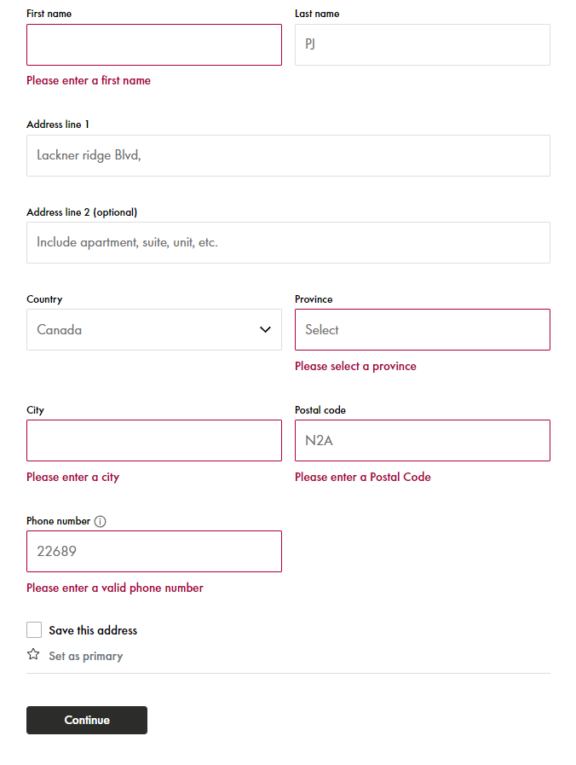 | BG001 | Test Failed-System did flag invalid input except the adress field, the adress filed lacked a house/apt number but it was not flagged
TS006 | TC015 | Check if user is able to view, edit and update the info in the settings page. | Test Type: Positive Test Case Description: Check if user is able to view and update the account settings. Given: The user already has an account When: user clicks wants to change or view details Then: The system should allow the user to do so. | Functionality | Medium | 1. Access to a web-browser 2.User has an account 3. Ensure the website hosted in UAT 4. Ensure user is not logged in another session | EMAIL: gajib27624@kernuo.com | 1.login to indigo.ca 2.Navigate to 3.indigo.ca>>accountcentre>>dashboard 4.Click Account Details 5.Click Change Email Adress 6.Enter New emil Adress 7.Click update | 1. System should check and validate the inputs and add the valid email Id, if user wants to cancel the operation user can. | UAT | Not Executed | As Expected the user is able to view edit and make the chages. | NA | Sytem pushes verification to the new email.

